How to use
How to prepare the application documents with Data Entry Form (For "Kateigai" - Dissertation in English)

 |  |  | as of April 1, 2026
 | * Data Entry Form and the templates of other application documents are available on the FSE website.
 | Application for doctorate
Entry of Data Entry Sheet | (1) | Please fill in the required fields marked in yellow on "Data Entry Sheet for submission".
 |  | *Data entry is completed once all yellow parts are filled in.
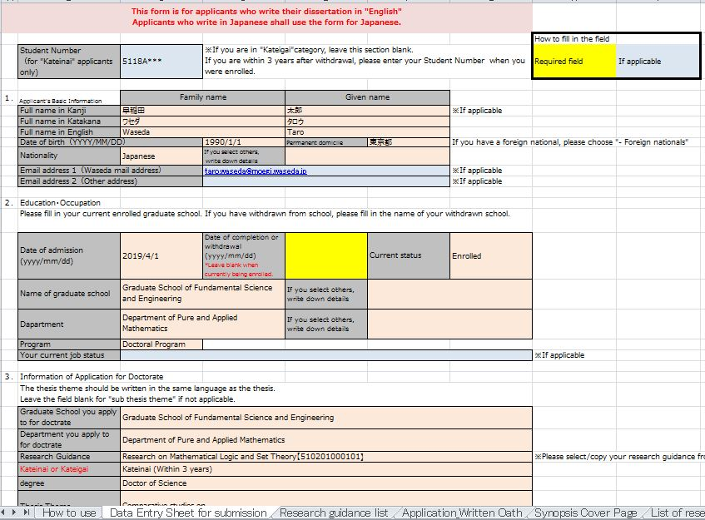

Information entered in (1) is reflected automatically on "Application _ Written Oath", "Synopsis Cover Page" and "List of research achievements" and "CV".

Preparing application documents | (2) | Prepare "Application for Doctoral Degree with Written Oath" and "Synopsis".

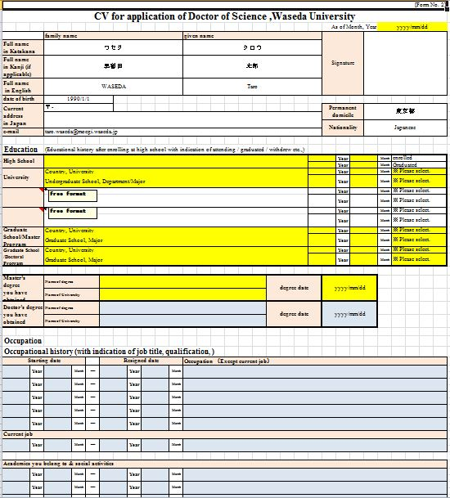
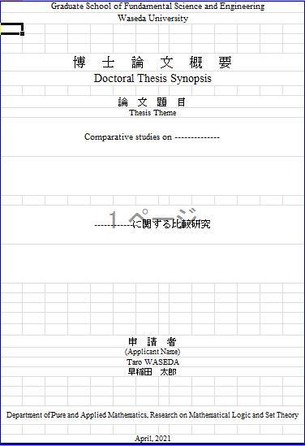
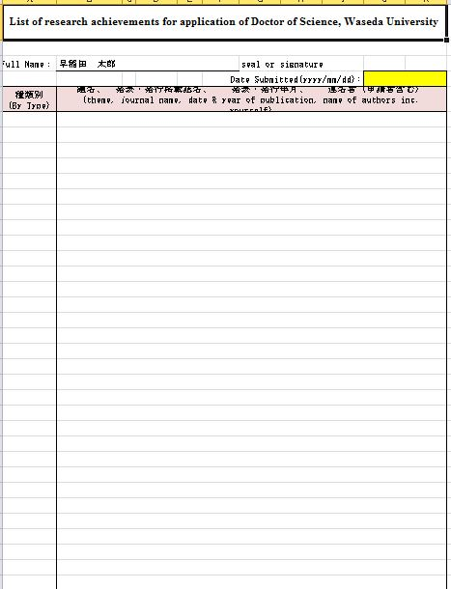
Data entry is completed once all yellow parts are filled in.
①Application for Doctoral Degree with Written Oath
Cover Page
Main body
List of research achievements
CV
Cover page is generated automatically. Thus, please do not add/delete, in principle.
Please prepare main body with Microsoft Word separately.
Please enter the required fields marked in yellow and fill in your research achievements.
Please enter the required fields marked in yellow and fill in other parts.
Main body
----------------------------------------------------------------------------------------------------------------------------------------------------------------------------------------------------------------------------------------------------------------------------------------------------------------------
No.1
②Synopsis

Print | (3) All documents should be printed single-sided. However, if the CV is two pages long, it should be printed double-sided.

Application for Doctoral Degree with Written Oath：Signed or stamped by the applicant
List of research achievements：
Signed or stamped by the applicant.
CV：
Signed or stamped by the applicant.
Sign/Seal
 | (4)

Pre-check | (5) Check that the application documents meet the requirements based on the Checklist.

Submission
 | (6) Submit ①② (scanned PDF) + ③④ (Excel) to the Academic and Student Affairs Section by email by the application deadline (to: dissertation@list.waseda.jp)
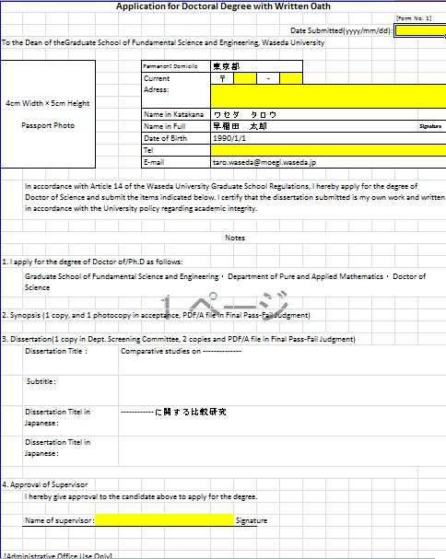
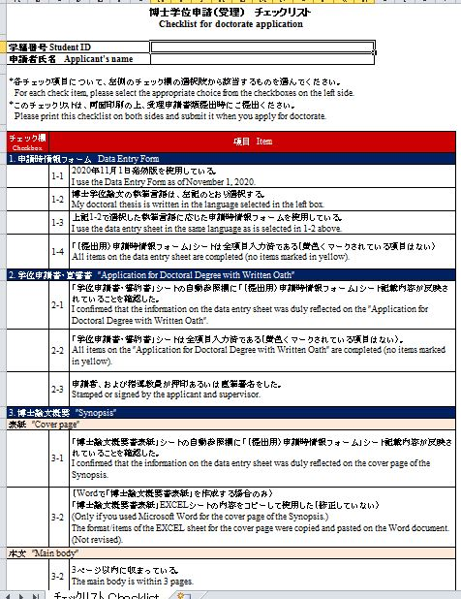
①Application for Doctoral Degree with Written Oath
②Synopsis
③Checklist
④Data Entry Form (Excel)
Main body
----------------------------------------------------------------------------------------------------------------------------------------------------------------------------------------------------------------------------------------------------------------------------------------------------------------------
No.1

*No sheets should be added or deleted, as all sheets included in this template will be required when processing at this Office.

 | (7) Check the data of the application documents at the Academic and Student Affairs Section.

 | (8) (Only after the completion of data check) Submit the original application documents ①, ②

 | Application for final decision
Preparing application documents | (9) | Prepare the doctoral dissertation and the Doctoral Dissertation Review Report.
 |  | (*Only the cover page shall be prepared using the "Data Entry Sheet" at the time of application for doctorate.)
Based on the information entered in the "Data Entry Sheet" at the time of application for doctorate, the information is automatically transferred to the relevant sections of the" 【FNL decision】Coverpage" sheet and "【FNL decision】Review Report" sheet.

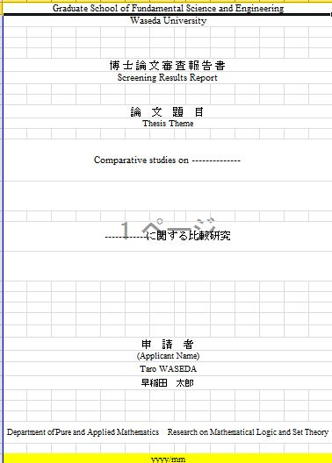
The main body and signature page should be prepared separately by the principal referee.
Please enter the required fields marked in yellow.
Cover page is generated automatically. Thus, please do not add/delete, in principle.
Signature page
------------------------------------------------------------------------------------------------------------------------------------------------------------------------------------------------------------------------------------------------------------------------------------------------------------------------------------------
Main body
------------------------------------------------------------------------------------------------------------------------------------------------------------------------------------------------------------------------------------------------------------------------------------------------------------------------------------------
Cover page
⑤Doctoral Dissertation Review Report
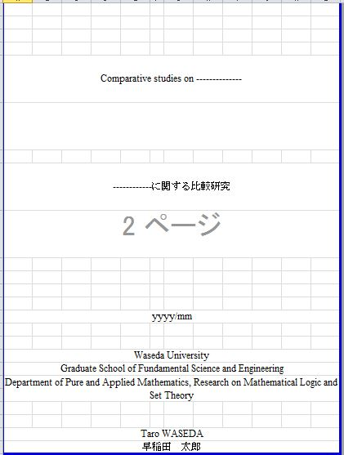
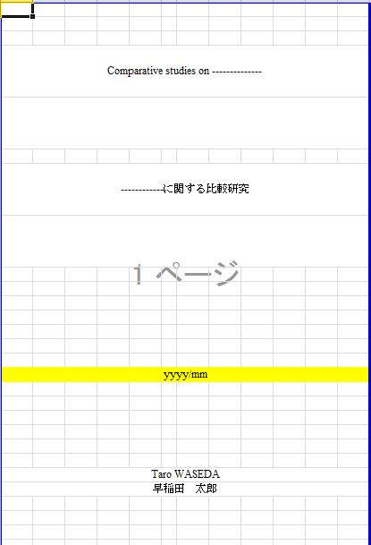
The main body, acknowledgements, bibliography, list of research achievements etc. should be prepared separately.
Please enter the required fields marked in yellow.
Cover page & Inner cover page are generated automatically. Thus, please do not add/delete, in principle.
List of research achievements
------------------------------------------------------------------------------------------------------------------------------------------------------------------------------------------------------------------------------------------------------------------------------------------------------------------------------------------
Bibliography
------------------------------------------------------------------------------------------------------------------------------------------------------------------------------------------------------------------------------------------------------------------------------------------------------------------------------------------
Acknowledgements
------------------------------------------------------------------------------------------------------------------------------------------------------------------------------------------------------------------------------------------------------------------------------------------------------------------------------------------
Main body
------------------------------------------------------------------------------------------------------------------------------------------------------------------------------------------------------------------------------------------------------------------------------------------------------------------------------------------
Cover page
Inner cover page
Doctoral dissertation for Honbun (PDF/A)

⑧List of research achievements (*only if there is update from application for doctorate (Scanned PDF)
 | (10) | Prepare "Doctoral Dissertation, Synopsis, Doctoral Dissertation Review Report in PDF/A format", "Application to change dissertation title (*only if applicable)", "Checklist"
⑥ 3 PDF/A files
(Honbun/Gaiyo/Shinsa)
⑦Application to change dissertation title (*only if applicable)(Word)
⑩Application for final decision for doctoral dissertation (*Prepared by principal referee)(Excel)
⑨Checklist(Word)

Shinsa(PDF/A)
------------------------------------------------------------------------------------------------------------------------------------------------------------------------------------------------------------------------------------------------------------------------------------------------------------------------------------------
Gaiyo (PDF/A)
------------------------------------------------------------------------------------------------------------------------------------------------------------------------------------------------------------------------------------------------------------------------------------------------------------------------------------------
Honbun (PDF/A)
------------------------------------------------------------------------------------------------------------------------------------------------------------------------------------------------------------------------------------------------------------------------------------------------------------------------------------------
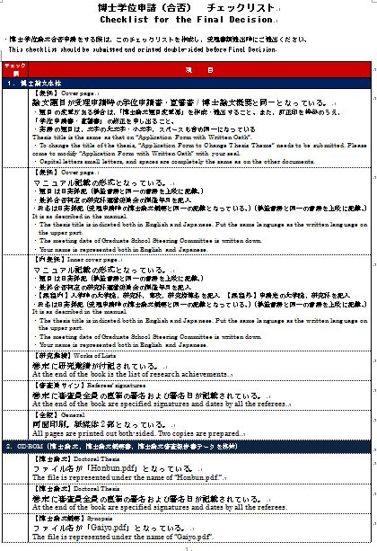

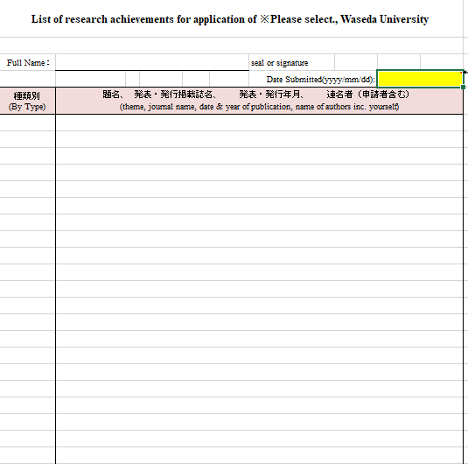
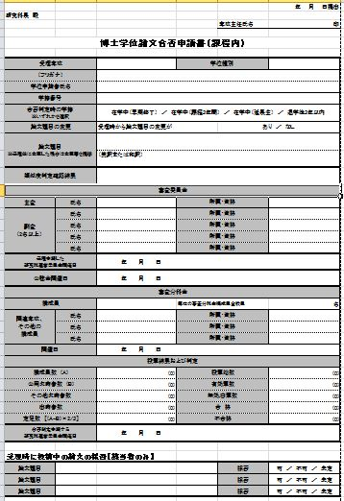

Print | (11) Single-sided printing: "Doctoral Dissertation Review Report"

⑤Doctoral Dissertation Review Report：
Final page with the signatures of all the referees.
Sign
 | (12)

Pre-check | (13) Check that the application documents meet the requirements based on the Checklist.

Submission | (14) Principal referee submits the data ⑤Doctoral Dissertation Review Report(scanned PDF),⑦Application to change dissertation title (Word)(*Only if applicable),⑧List of research achievements (*only if there is update from application for doctorate (Scanned PDF)), ⑨Checklist(Word), ⑩Application for final decision for doctoral dissertation (Excel) + ⑥Honbun.pdf, Gaiyo.pdf, Shinsa.pdf（PDF/A format） to the Academic and Student Affairs Section by email by the application deadline (to: dissertation@list.waseda.jp)

 | (15) Check the data of the application documents at the Academic and Student Affairs Section.

 | (16) (Only after the completion of data check) Submit the original application document ⑤Doctoral Dissertation Review Report (for all applicants), ⑧List of research achievements (*only if applicable).

